HDFLXI
HSBC Mutual Fund
HSBC Dynamic Bond Fund
(An open ended dynamic debt scheme investing across duration. A relatively high interest rate risk and relatively low credit risk.)
Portfolio Statement as of April 30, 2025

Name of the Instrument | ISIN | Rating/Industries | Quantity | Market Value (Rs in Lacs) | Percentage to Net Assets | Yield of the Instrument (%) | YTC @ |  | Maturity Date
 |  |  |  |  |  |  | CRISIL | ICRA
Debt Instruments
Fixed rates bonds - Corporate
Listed / Awaiting listing on Stock Exchanges
Rec Limited** | INE020B08CU7 | CRISIL AAA | 110.00 | 1,212.31 | 7.23% | 6.86 |  |  | 10-May-30
Total |  |  |  | 1,212.31 | 7.23%
Government Securities
6.79% INDIA GOV BOND 07OCT2034 GSEC | IN0020240126 | SOVEREIGN | 3,000,000.00 | 3,104.18 | 18.51% | 6.36 |  |  | 7-Oct-34
7.09% GOI 05AUG2054 | IN0020240118 | SOVEREIGN | 2,500,000.00 | 2,640.04 | 15.75% | 6.78 |  |  | 5-Aug-54
6.92% INDIA GOVT BOND 18NOV2039 GSEC | IN0020240134 | SOVEREIGN | 2,450,000.00 | 2,634.50 | 15.71% | 6.45 |  |  | 18-Nov-39
7.34% INDIA GOVERNMENT BOND 22APR2064 | IN0020240035 | SOVEREIGN | 2,200,000.00 | 2,362.44 | 14.09% | 6.81 |  |  | 22-Apr-64
7.30% GOI 19JUN53 | IN0020230051 | SOVEREIGN | 2,000,000.00 | 2,183.00 | 13.02% | 6.78 |  |  | 19-Jun-53
7.10% GOVT 08-Apr-2034 | IN0020240019 | SOVEREIGN | 1,000,000.00 | 1,053.88 | 6.29% | 6.37 |  |  | 8-Apr-34
7.18% GOI 24-Jul-2037 | IN0020230077 | SOVEREIGN | 500,000.00 | 540.08 | 3.22% | 6.45 |  |  | 24-Jul-37
7.22% Gujarat SDL 15Jan2035 | IN1520240145 | SOVEREIGN | 500,000.00 | 529.07 | 3.16% | 6.7 |  |  | 15-Jan-35
6.90% GOI 15-Apr-2065 | IN0020250018 | SOVEREIGN | 248,700.00 | 253.04 | 1.51% | 6.79 |  |  | 15-Apr-65
Total |  |  |  | 15,300.23 | 91.26%
Money Market Instruments
Interest Rate Swaps
Pay Fixed/Receive Float_29/04/2030 |  |  |  | -1.87 | -0.01% | 5.71 |  |  | 29-Apr-30
Total |  |  |  | -1.87 | -0.01%
Alternative Investment Funds(AIF)
CDMDF CLASS A2 | INF0RQ622028 | AIF | 532.17 | 59.17 | 0.35% | 5.97
Total |  |  |  | 59.17 | 0.35%
Treps |  |  |  | 681.59 | 4.07% | 5.93 |  |  | 2-May-25
Net Current Assets (including cash & bank balances) |  |  |  | -484.16 | -2.90% | 5.93
Total Net Assets as on 30-April-2025 |  |  |  | 16,767.27 | 100.00%
Market Value includes accrued interest
** Securities are classified as non-traded on the basis of Traded data as on APR 30, 2025 provided by CRISIL and ICRA.
^ Securities are classified as traded on the basis of Traded data as on APR 30, 2025 provided by CRISIL and ICRA.
Aggregate value of investments made by other schemes of HSBC Mutual Fund are amounting to Rs. 2229.03 Lakhs.
This scheme has exposure to floating rate instruments and / or interest rate derivatives. The duration of these instruments is linked to the interest rate reset period. The interest rate risk in a floating rate instrument or in a fixed rate instrument hedged with derivatives is likely to be lesser than that in an equivalent maturity fixed rate instrument. Under some market circumstances the volatility may be of an order greater than what may ordinarily be expected considering only its duration. Hence investors are recommended to consider the unadjusted portfolio maturity of the scheme as well and exercise adequate due diligence when deciding to make their investments.

Annualised Portfolio YTM ! | 6.71%
Macaulay Duration | 114.36
! in case of semi annual YTM, it will be annualised

HSBC Dynamic Bond Fund |  | Scheme Riskometer |  | Scheme Benchmark Riskometer

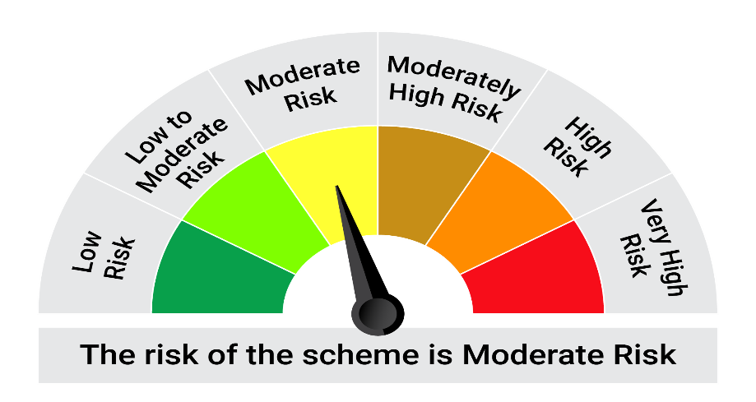
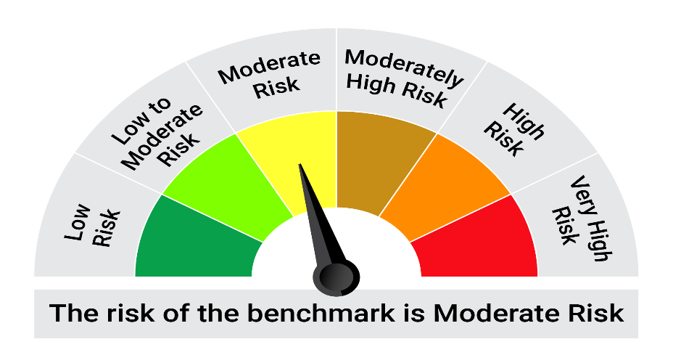
This product is suitable for investors who are seeking*:• Generation of reasonable returns over medium to long term • The Scheme invests across all classes of fixed income instruments with no cap or floor on maturity, duration or instrument type concentrations. This makes the scheme different from other existing open – ended income/debt schemes of the Fund.

*Investors should consult their financial advisers if in doubt about whether the product is suitable for them.

Mutual fund investments are subject to market risks, read all scheme realted documents carefully. |  |  | Scheme Benchmark: NIFTY Composite Debt Index A-III

Please note that the above risk-o-meter is as per the product labelling of the scheme available as on the date of this communication/ disclosure. as per SEBI circular dated May 19, 2023 on product labelling (as amended from time to time), risk-o-meters will be calculated on a monthly basis based on the risk values of the respective scheme's portfolio based on the methodology specified by SEBI in the above stated circular. The AMC shall disclose the risk-o-meters along with portfolio disclosure for all their schemes on their respective website and on AMFI website within 10 days from the close of each month. Any change in risk-o-meter shall be communicated by way of Notice cum Addendum and by way of an e-mail or SMS to unitholders of that particular Scheme.

