HIF-IP
HSBC Mutual Fund
HSBC DEBT FUND
(An open ended medium to long term debt scheme investing in instruments such that the Macaulay duration of the portfolio is between 4 years to 7 years. Please refer Page no. 9 of the SID for explanation on Macaulay duration. Relatively high interest rate risk and moderate credit risk.)
Fortnightly Portfolio Statement as of June 30, 2022

Name of the Instrument | ISIN | Rating/Industries | Quantity | Market Value (Rs in Lacs) | Percentage to Net Assets | Yield of the Instrument (%) | YTC @ CRISIL ICRA
Debt Instruments
Government Securities
6.79% GOVT OF INDIA RED 15-05-2027 | IN0020170026 | SOVEREIGN | 1,292,000.00 | 1,267.58 | 31.82 | 7.25
7.17% GOVT OF INDIA RED 08-01-2028 | IN0020170174 | SOVEREIGN | 1,100,000.00 | 1,093.95 | 27.46 | 7.29
7.26% GOVT OF INDIA RED 14-01-2029 | IN0020180454 | SOVEREIGN | 500,000.00 | 497.47 | 12.49 | 7.36
5.63% GOVT OF INDIA RED 12-04-2026 | IN0020210012 | SOVEREIGN | 500,000.00 | 475.72 | 11.94 | 7.11
5.22% GOVT OF INDIA RED 15-06-2025 | IN0020200112 | SOVEREIGN | 300,000.00 | 286.37 | 7.19 | 6.95
8.19% RAJASTHAN SDL RED 23-06-2026 | IN2920160123 | SOVEREIGN | 150,000.00 | 152.83 | 3.84 | 7.63
Total |  |  |  | 3,773.91 | 94.74
Treps |  |  |  | 95.49 | 2.40 | 4.73
Reverse Repos |  |  |  | 45.21 | 1.13 | 4.75
Total |  |  |  | 140.70 | 3.53
Net Current Assets (including cash & bank balances) |  |  |  | 69.11 | 1.73 | 4.74
Total Net Assets as on 30-Jun-2022 |  |  |  | 3,983.73 | 100.00

@ Pursuant to AMFI circular no. 135/BP/91/2020-21, Yield to Call (YTC) for AT-1 bonds and Tier-2 bonds as on June 30, 2022.

Notes:
(1) Securities in default beyond its maturity date is Nil.
(2) Option wise per unit Net Asset Values are as follows:
Option | As on 30 June 2022 | As on 15 June 2022
Growth Option **** | Rs 34.6134 | Rs 34.3494
Quarterly IDCW Option **** | Rs 10.5283 | Rs 10.4480
Direct Plan - Growth Option | Rs 37.3250 | Rs 37.0274
Direct Plan - Quarterly IDCW Option | Rs 10.5697 | Rs 10.5850
**** Earlier known as Regular Plan
(3) The total outstanding exposure in derivative instruments as on June 30, 2022 is Nil.
(4) The total market value of investments in foreign securities / American Depositary Receipts / Global Depositary Receipts as on June 30, 2022 is Nil.
(5) The dividends declared during the fortnight ended June 30, 2022 under the Income Distribution cum Capital Withdrawal (IDCW) Options of the Scheme are as follows:
Option | Rate of dividend per Unit
 | Individuals & HUF | Others
Quarterly IDCW Option **** | ^^ | ^^
Direct Plan - Quarterly IDCW Option | 0.1000 | 0.1000
^^ No dividend was distributed during the fortnight ended June 30, 2022.
**** Earlier known as Regular Plan
(6) No bonus was declared during the fortnight ended June 30, 2022.
(7) The Average Maturity Period of the Portfolio has been 57.43 months.
(8) Investment in Repo in Corporate Debt Securities during the fortnight ended June 30, 2022 is Nil.
(9) No. of instances of deviation from valuation guidelines is Nil
(10) Investment in Partly paid Bonds / NCD’s : Nil
(11) Debt instruments having structured obligations or credit enhancement features have been denoted with suffix as (SO) or (CE) respectively against the ratings of the instrument
(12) The YTM of Net Current Assets is computed based on Weighted Average of TREPS and Reverse Repo placement rates for the scheme on the portfolio date in line with AMFI circular number 35P/ MEM-COR/ 07/ 2021-22 Dated 11-May-2011.

This product is suitable for investors who are seeking*:
• Regular income over medium term
• Investment in diversified portfolio of fixed income securities such that the Macaulay duration of the portfolio is between 4 year to 7 years.

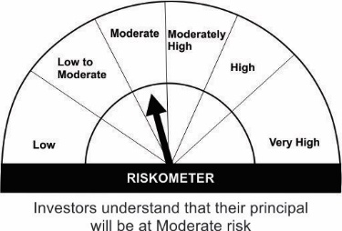

*Investors should consult their financial advisers if in doubt about whether the product is suitable for them.
Please note that the above risk-o-meter is as per the product labelling of the scheme available as on the date of this communication/ disclosure. As per SEBI circular dated October 05, 2020 on product labelling (as amended from time to time), risk-o-meter will be calculated on a monthly basis based on the risk value of the scheme portfolio based on the methodology specified by SEBI in the above stated circular. The AMC shall disclose the risk-o-meter along with portfolio disclosure for all their schemes on their respective website and on AMFI website within 10 days from the close of each month. Any change in risk-o-meter shall be communicated by way of Notice cum Addendum and by way of an e-mail or SMS to unitholders of that particular scheme.

Scheme Benchmark & Benchmark Risk-o-meter:
Scheme Benchmark : CRISIL Medium to Long Duration Fund BIII Index
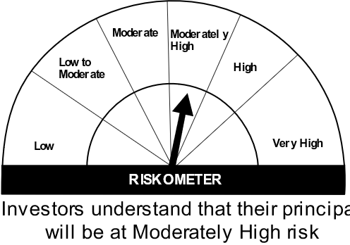

Mutual fund investments are subject to market risks, read all scheme related documents carefully.

