HCBF
HSBC Mutual Fund
HSBC Corporate Bond Fund
(An open ended debt scheme predominantly investing in AA+ and above rated corporate bonds. Moderate interest rate risk and relatively low credit risk.)
Fortnightly Portfolio Statement as of October 15, 2022

Name of the Instrument | ISIN | Rating/Industries | Quantity | Market Value (Rs in Lacs) | Percentage to Net Assets | Yield of the Instrument (%) | YTC @
 |  |  |  |  |  |  | CRISIL | ICRA
Debt Instruments
Fixed rates bonds - Corporate
Listed / Awaiting listing on Stock Exchanges
Export Import Bank of India** | INE514E08CO6 | CRISIL AAA | 150.00 | 1,551.22 | 8.96% | 7.29
REC Limited** | INE020B08BV7 | CRISIL AAA | 150.00 | 1,547.47 | 8.94% | 7.63
Reliance Industries Limited** | INE002A08617 | CRISIL AAA | 150.00 | 1,540.33 | 8.90% | 7.73
Indian Railway Finance Corporation Limited** | INE053F07CC9 | CRISIL AAA | 150.00 | 1,538.16 | 8.89% | 7.24
Indian Oil Corporation Limited** | INE242A08452 | CRISIL AAA | 150.00 | 1,518.76 | 8.77% | 7.63
Kotak Mahindra Prime Limited** | INE916DA7QS2 | CRISIL AAA | 150.00 | 1,514.59 | 8.75% | 7.83
National Bank for Agriculture & Rural Development** | INE261F08CK9 | ICRA AAA | 150.00 | 1,510.47 | 8.73% | 7.58
Power Finance Corporation Limited** | INE134E08FN8 | CRISIL AAA | 100.00 | 1,057.87 | 6.11% | 7.02
LIC Housing Finance Limited** | INE115A07OW0 | CRISIL AAA | 100.00 | 1,023.82 | 5.91% | 7.85
Total |  |  |  | 12,802.67 | 73.96%
Government Securities
6.69% GOI 27JUN2024 | IN0020220052 | Sovereign | 1,500,000.00 | 1,517.45 | 8.77% | 7.23
5.15% GOVERNMENT OF INDIA 09NOV25 G-SEC | IN0020200278 | Sovereign | 1,500,000.00 | 1,445.31 | 8.35% | 7.33
7.38% GOI 20JUN2027 | IN0020220037 | Sovereign | 500,000.00 | 510.85 | 2.95% | 7.43
Total |  |  |  | 3,473.61 | 20.07%
Treps |  |  |  | 109.88 | 0.63% | 6.15
Reverse Repos |  |  |  | 924.95 | 5.34% | 6.25
Net Current Assets (including cash & bank balances) |  |  |  | -1.54 | 0.00% | 6.24
Total Net Assets as on 15-OCTOBER-2022 |  |  |  | 17,309.56 | 100.00%
** Securities are classified as non-traded on the basis of Traded data as on Oct 14, 2022 provided by CRISIL and ICRA.
^ Securities are classified as traded on the basis of Traded data as on Oct 14, 2022 provided by CRISIL and ICRA. |  |  |  |  | 675.73
@ Pursuant to AMFI circular no. 135/BP/91/2020-21, Yield to Call (YTC) for AT-1 bonds and Tier-2 bonds as on Oct 15, 2022. |  |  |  |  | 5,780.94
 |  |  |  |  | 6,456.67 | 1,034.83 | 6.24
Notes:
(1) Securities in default beyond its maturity date is Nil.
(2) Option wise per unit Net Asset Values are as follows:
Option | As on 14 Oct 2022* | As on 30 Sep 2022
Growth Option | Rs 10.6097 | Rs 10.6167
Monthly IDCW Option | Rs 10.0111 | Rs 10.0177
Quarterly IDCW Option | Rs 10.0229 | Rs 10.0295
Half Yearly IDCW Option | Rs 10.0161 | Rs 10.0227
Direct Plan Growth Option | Rs 10.7006 | Rs 10.7059
Direct Plan Monthly IDCW Option | Rs 10.1274 | Rs 10.1326
Direct Plan Quartterly IDCW Option | Rs 10.0529 | Rs 10.0579
Direct Plan Half Yearly IDCW Option | Rs 10.0546 | Rs 10.0597
* Nav has been considered as of 14 Oct 2022(Last Business Days).
(3) The total outstanding exposure in derivative instruments as on Oct 15, 2022 is Nil.
(4) The total market value of investments in foreign securities / American Depositary Receipts / Global Depositary Receipts as on Oct 15, 2022 is Nil.
(5) The dividends declared during the fortnight ended Oct 15, 2022 under the Income Distribution cum Capital Withdrawal (IDCW) Options of the Scheme are as follows:
Option | Rate of dividend per Unit
 | Individuals & HUF | Others
Monthly IDCW Option | ^^ | ^^
Quarterly IDCW Option | ^^ | ^^
Half Yearly IDCW Option | ^^ | ^^
Direct Plan - Monthly IDCW Option | ^^ | ^^
Direct Plan - Quarterly IDCW Option | ^^ | ^^
Direct Plan Half Yearly IDCW Option | ^^ | ^^
^^ No dividend was distributed during the fortnight ended Oct 15, 2022.
(6) No bonus was declared during the fortnight ended Oct 15, 2022.
(7) The Average Maturity Period of the Portfolio has been 19.14 months.
(8) Investment in Repo in Corporate Debt Securities during the fortnight ended Oct 15, 2022 is Nil.
(9) No. of instances of deviation from valuation guidelines is Nil
(10) Investment in Partly paid Bonds / NCD’s : Nil
(11) Debt instruments having structured obligations or credit enhancement features have been denoted with suffix as (SO) or (CE) respectively against the ratings of the instrument
(12) The YTM of Net Current Assets is computed based on Weighted Average of TREPS and Reverse Repo placement rates for the scheme on the portfolio date in line with AMFI circular number 35P/ MEM-COR/ 07/ 2021-22 Dated 11-May-2021.
(13) Market Value Includes accrued Interest
This product is suitable for investors who are seeking*:
Income over medium term.
Investment predominantly in corporate bond securities rated AA+ and above.
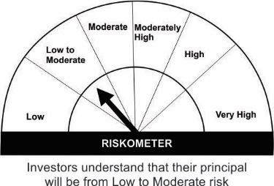

*Investors should consult their financial advisers if in doubt about whether the product is suitable for them.
Please note that the above risk-o-meter is as per the product labelling of the scheme available as on the date of this communication/ disclosure. As per SEBI circular dated October 05, 2020 on product labelling (as amended from time to time), risk-o-meter will be calculated on a monthly basis based on the risk value of the scheme portfolio based on the methodology specified by SEBI in the above stated circular. The AMC shall disclose the risk-o-meter along with portfolio disclosure for all their schemes on their respective website and on AMFI website within 10 days from the close of each month. Any change in risk-o-meter shall be communicated by way of Notice cum Addendum and by way of an e-mail or SMS to unitholders of that particular scheme.
Scheme Benchmark & Benchmark Risk-o-meter:
Scheme Benchmark : NIFTY Short Duration Debt Index A-II
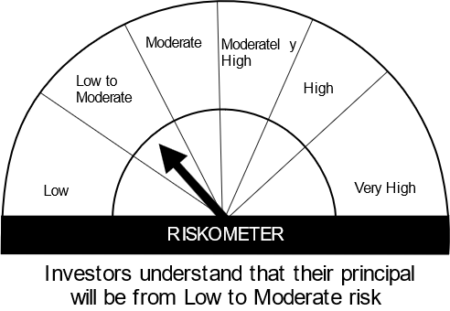

Mutual fund investments are subject to market risks, read all scheme related documents carefully.

