HLF
HSBC Liquid Fund
Portfolio As On 31-MAY-2025 |  |  |  |  | Asset Allocation | % to Net Assets
 |  |  |  |  | Money Market Instruments | 78.52%
Issuer | Market Value(Rs. In Lakhs) | % to Net Assets | Short Term Rating | Long Term Rating | Treasury Bill | 17.70%
 |  |  |  |  | AIF | 0.20%
 |  |  |  |  | Cash Equivalent | 5.25%
Money Market Instruments
 |  |  |  |  | Net Current Assets | -1.67%
Certificate of Deposit
 |  |  |  |  | Total Net Assets | 100.00%
Bank of Baroda | 151,227.80 | 6.91% | IND A1+ | CRISIL AAA
Punjab National Bank Limited | 133,397.09 | 6.09% | IND A1+ | ICRA AAA / CRISIL AAA
Indian Bank | 84,000.18 | 3.84% | CRISIL A1+ | CARE AAA
Canara Bank | 59,321.40 | 2.71% | CRISIL A1+ | ICRA AAA | Rating Category | % to Net Assets
Union Bank of India | 24,952.85 | 1.14% | CRISIL A1+ | ICRA AAA
Kotak Mahindra Bank Limited | 24,646.08 | 1.13% | CRISIL A1+ | ICRA AAA | SOVEREIGN | 17.70%
HDFC Bank Limited | 14,952.66 | 0.69% | CARE A1+ / IND A1+ | IND AAA / CARE AAA | AAA and equivalents | 78.52%
IndusInd Bank Limited | 9,998.32 | 0.46% | CRISIL A1+ | IND AA + | AIF | 0.20%
 | 502,496.36 | 22.97% |  |  | Reverse Repos/ TREPS | 5.25%
Commercial Paper |  |  |  |  | Net Current Assets | -1.67%
Small Industries Development Bank of India | 118,452.75 | 5.41% | CARE A1+ | CRISIL AAA | Total Net Assets | 100.00%
Reliance Retail Ventures Limited | 84,626.27 | 3.87% | CARE A1+ / CRISIL A1+ | CRISIL AAA / CARE AAA
National Bank for Agriculture & Rural Development | 83,879.69 | 3.83% | ICRA A1+ | CRISIL AAA
Reliance Jio Infocomm Limited | 69,481.92 | 3.17% | CRISIL A1+ | CARE AAA / ICRA AAA
ICICI Securities Limited | 69,110.34 | 3.16% | CRISIL A1+ | ICRA AAA
HDFC Securities Limited | 59,663.64 | 2.73% | ICRA A1+ | CRISIL AAA
Godrej Industries Limited | 51,972.29 | 2.37% | CRISIL A1+ / ICRA A1+ | ICRA AA+ / CRISIL AA+
Network 18 Media & Investments Limited | 49,903.89 | 2.28% | IND A1+ | CARE AAA
Titan Company Limited | 49,929.65 | 2.28% | ICRA A1+ | CRISIL AAA
Tata Capital Housing Finance Limited | 49,559.30 | 2.26% | CRISIL A1+ | ICRA AAA
Bajaj Housing Finance Limited | 39,643.08 | 1.81% | CRISIL A1+ | IND AAA
ONGC Petro Additions Limited | 39,651.32 | 1.81% | CRISIL A1+ | ICRA AA
Motilal Oswal Financial Services Limited | 39,476.48 | 1.80% | ICRA A1+ | IND AA
Axis Securities Limited | 34,482.30 | 1.57% | CRISIL A1+ | ICRA AAA
Bajaj Financial Securities Limited | 32,420.16 | 1.48% | IND A1+ | CRISIL AAA
Indian Oil Corporation Limited | 32,216.09 | 1.47% | IND A1+ | CRISIL AAA
Birla Group Holdings Private Limited | 29,880.85 | 1.36% | ICRA A1+ | CRISIL AA+
ICICI Home Finance Company Limited | 29,599.92 | 1.35% | CARE A1+ | ICRA AAA
Sikka Ports & Terminals Limited | 29,661.06 | 1.35% | CRISIL A1+ | CARE AAA
Aditya Birla Capital Limited | 24,913.13 | 1.14% | CRISIL A1+ | ICRA AAA
Kotak Securities Limited | 24,929.68 | 1.14% | CRISIL A1+ | ICRA AAA
Julius Baer Capital (India) Private Limited | 24,681.30 | 1.13% | ICRA A1+ | CRISIL AA+
APL Apollo Tubes Ltd. | 19,903.04 | 0.91% | ICRA A1+ | CRISIL AA
NTPC Limited | 19,800.76 | 0.90% | CRISIL A1+ | ICRA AAA
Axis Finance Limited | 14,792.22 | 0.68% | CRISIL A1+ | IND AAA
Pilani Investment and Industries Corporation Ltd | 14,886.83 | 0.68% | CARE A1+ | CRISIL AA+
SBICAP Securities Limited | 14,764.71 | 0.67% | ICRA A1+ | CRISIL AAA
Tata Consumer Products Limited | 9,966.67 | 0.46% | CARE A1+ | ICRA AAA
Godrej Agrovet Limited | 9,923.25 | 0.45% | CRISIL A1+ | ICRA AA
Godrej Consumer Products Limited | 9,959.82 | 0.45% | CRISIL A1+ | ICRA AAA
Hindustan Petroleum Corporation Limited | 9,957.97 | 0.45% | CRISIL A1+ | ICRA AAA
Motilal Oswal Finvest Ltd. | 9,869.18 | 0.45% | CRISIL A1+ | ICRA AA
Muthoot Finance Limited | 9,846.31 | 0.45% | CRISIL A1+ | ICRA AA+
Aditya Birla Housing Finance Limited | 4,998.21 | 0.23% | ICRA A1+ | IND AAA
 | 1,216,804.04 | 55.55%
Treasury Bill
91 DTB 28Aug2025 | 56,450.91 | 2.58% | Sovereign | Sovereign
91 DTB 05Jun2025 | 49,968.10 | 2.28% | Sovereign | Sovereign
91 DTB 17Jul2025 | 49,648.85 | 2.27% | Sovereign | Sovereign
91 DTB 21Aug2025 | 49,386.25 | 2.26% | Sovereign | Sovereign
182 DTB 19Jun2025 | 44,871.66 | 2.05% | Sovereign | Sovereign
91 DTB 01Aug2025 | 35,015.66 | 1.60% | Sovereign | Sovereign
182 DAYS T-BILL 07AUG25 | 29,694.06 | 1.36% | Sovereign | Sovereign
91 DTB 26Jun2025 | 27,393.08 | 1.25% | Sovereign | Sovereign
182 DAYS T-BILL 31JUL25 | 19,817.16 | 0.91% | Sovereign | Sovereign
364 DAYS T-BILL 31JUL25 | 19,817.16 | 0.91% | Sovereign | Sovereign
91 DTB 12Jun2025 | 4,991.43 | 0.23% | Sovereign | Sovereign
 | 387,054.31 | 17.70%
AIF
Alternative Investment Funds (AIF) | 4,329.47 | 0.20% | AIF
 | 4,329.47 | 0.20%
Cash Equivalent
TREPS | 115,048.78 | 5.25%
Net Current Assets: | -36,359.04 | -1.67%
Total Net Assets as on 31-MAY-2025 | 2,189,373.91 | 100.00%

Market Value Includes Accrued Interest
This product is suitable for investors who are seeking*:
Income over target maturity period
Investment in constituents similar to the composition of CRISIL IBX 50:50 Gilt Plus SDL Index – April 2028
*Investors should consult their financial advisers if in doubt about whether the product is suitable for them.
Mutual fund investments are subject to market risks, read all scheme related documents carefully.
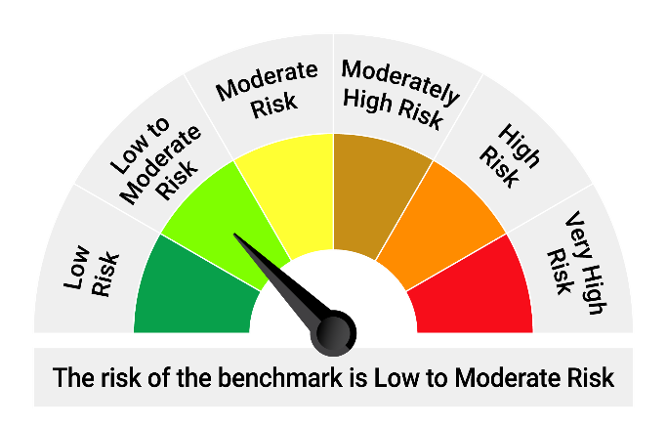

*Investors should consult their financial advisers if in doubt about whether the product is suitable for them.
Mutual fund investments are subject to market risks, read all scheme related documents carefully.

“Please note that the above risk-o-meter is as per the product labelling of the scheme available as on the date of this communication/ disclosure. As per SEBI circular dated October 05, 2020 on product labelling (as amended from time to time), risk-o-meter will be calculated on a monthly basis based on the risk value of the scheme portfolio based on the methodology specified by SEBI in the above stated circular. The AMC shall disclose the risk-o-meter along with portfolio disclosure for all their schemes on their respective website and on AMFI website within 10 days from the close of each month. Any change in risk-o-meter shall be communicated by way of Notice cum Addendum and by way of an e-mail or SMS to unitholders of that particular scheme.”

HOF
HSBC Overnight Fund
Portfolio As On 31-MAY-2025 |  |  |  |  | Asset Allocation | % to Net Assets
 |  |  |  |  | Treasury Bill | 6.52%
Issuer | Market Value(Rs. In Lakhs) | % to Net Assets | Short Term Rating | Long Term Rating | Cash Equivalent | 93.22%
 |  |  |  |  | Net Current Assets | 0.26%
 |  |  |  |  | Total Net Assets | 100.00%
Treasury Bill

91 DTB 12Jun2025 | 6,488.85 | 2.49% | Sovereign | Sovereign
182 DTB 19Jun2025 | 5,484.31 | 2.11% | Sovereign | Sovereign
91 DAYS T-BILL - 19JUN2025 | 3,490.02 | 1.34% | Sovereign | Sovereign | Rating Category | % to Net Assets
91 DTB 05Jun2025 | 1,499.04 | 0.58% | Sovereign | Sovereign | SOVEREIGN | 6.52%
 | 16,962.23 | 6.52%
Cash Equivalent |  |  |  |  | Reverse Repos/ TREPS | 93.22%
TREPS | 42,483.76 | 16.33% |  |  | Net Current Assets | 0.26%
Reverse Repos | 200,062.72 | 76.89% |  |  | Total Net Assets | 100.00%
Net Current Assets: | 681.20 | 0.26%
Total Net Assets as on 31-MAY-2025 | 260,189.90 | 100.00%

Market Value Includes Accrued Interest
This product is suitable for investors who are seeking*:
Income over target maturity period
Investment in constituents similar to the composition of CRISIL IBX 50:50 Gilt Plus SDL Index – April 2028
*Investors should consult their financial advisers if in doubt about whether the product is suitable for them.
Mutual fund investments are subject to market risks, read all scheme related documents carefully.
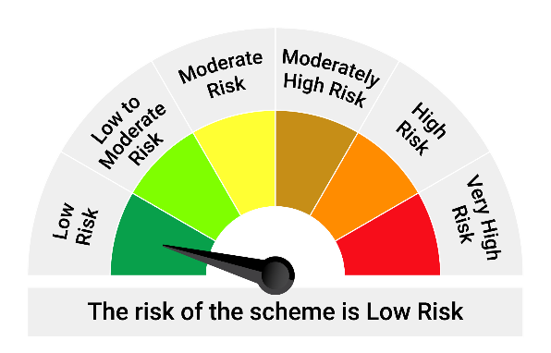
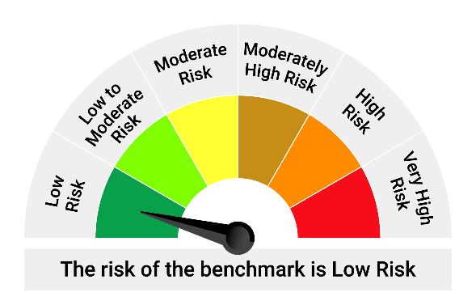

*Investors should consult their financial advisers if in doubt about whether the product is suitable for them.

Mutual fund investments are subject to market risks, read all scheme related documents carefully.

“Please note that the above risk-o-meter is as per the product labelling of the scheme available as on the date of this communication/ disclosure. As per SEBI circular dated October 05, 2020 on product labelling (as amended from time to time), risk-o-meter will be calculated on a monthly basis based on the risk value of the scheme portfolio based on the methodology specified by SEBI in the above stated circular. The AMC shall disclose the risk-o-meter along with portfolio disclosure for all their schemes on their respective website and on AMFI website within 10 days from the close of each month. Any change in risk-o-meter shall be communicated by way of Notice cum Addendum and by way of an e-mail or SMS to unitholders of that particular scheme.”

HMMF
HSBC Money Market Fund
Portfolio As On 31-MAY-2025 |  |  |  |  | Asset Allocation | % to Net Assets
 |  |  |  |  | Money Market Instruments | 85.16%
Issuer | Market Value(Rs. In Lakhs) | % to Net Assets | Short Term Rating | Long Term Rating | Government Securities | 3.19%
 |  |  |  |  | Treasury Bill | 10.68%
 |  |  |  |  | AIF | 0.20%
Money Market Instruments
 |  |  |  |  | Cash Equivalent | 0.99%
Certificate of Deposit
 |  |  |  |  | Net Current Assets | -0.22%
Bank of Baroda | 21,543.17 | 6.63% | IND A1+ | CRISIL AAA | Total Net Assets | 100.00%
National Bank for Agriculture & Rural Development | 21,488.07 | 6.62% | ICRA A1+ / CRISIL A1+ / IND A1+ | CRISIL AAA / ICRA AAA
...
Cash Equivalent
TREPS | 3,206.88 | 0.99%
Net Current Assets: | -612.76 | -0.22%
Total Net Assets as on 31-MAY-2025 | 324,747.67 | 100.00%

Market Value Includes Accrued Interest
This product is suitable for investors who are seeking*:
Income over target maturity period
Investment in constituents similar to the composition of CRISIL IBX 50:50 Gilt Plus SDL Index – April 2028
*Investors should consult their financial advisers if in doubt about whether the product is suitable for them.
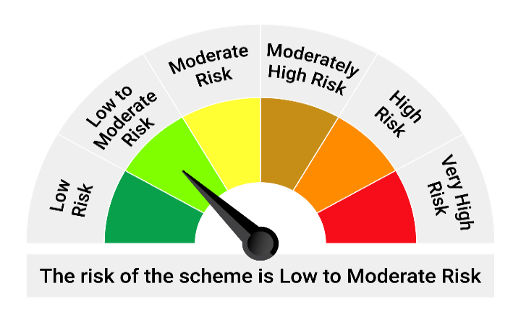
Mutual fund investments are subject to market risks, read all scheme related documents carefully.

*Investors should consult their financial advisers if in doubt about whether the product is suitable for them.
Mutual fund investments are subject to market risks, read all scheme related documents carefully.

“Please note that the above risk-o-meter is as per the product labelling of the scheme available as on the date of this communication/ disclosure. As per SEBI circular dated October 05, 2020 on product labelling (as amended from time to time), risk-o-meter will be calculated on a monthly basis based on the risk value of the scheme portfolio based on the methodology specified by SEBI in the above stated circular. The AMC shall disclose the risk-o-meter along with portfolio disclosure for all their schemes on their respective website and on AMFI website within 10 days from the close of each month. Any change in risk-o-meter shall be communicated by way of Notice cum Addendum and by way of an e-mail or SMS to unitholders of that particular scheme.”

HBPSF
...
Market Value Includes Accrued Interest
This product is suitable for investors who are seeking*:
Income over target maturity period
Investment in constituents similar to the composition of CRISIL IBX 50:50 Gilt Plus SDL Index – April 2028
*Investors should consult their financial advisers if in doubt about whether the product is suitable for them.
Mutual fund investments are subject to market risks, read all scheme related documents carefully.

** Portfolio has -0.04% exposure to Interest rate swaps

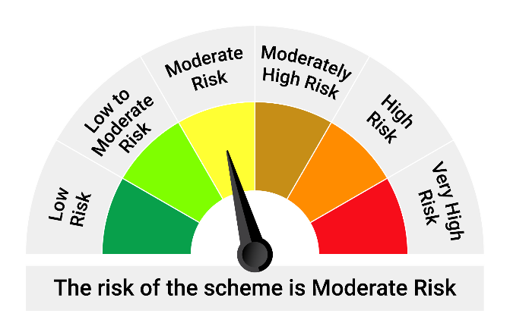

*Investors should consult their financial advisers if in doubt about whether the product is suitable for them.

Mutual fund investments are subject to market risks, read all scheme related documents carefully.

“Please note that the above risk-o-meter is as per the product labelling of the scheme available as on the date of this communication/ disclosure. As per SEBI circular dated October 05, 2020 on product labelling (as amended from time to time), risk-o-meter will be calculated on a monthly basis based on the risk value of the scheme portfolio based on the methodology specified by SEBI in the above stated circular. The AMC shall disclose the risk-o-meter along with portfolio disclosure for all their schemes on their respective website and on AMFI website within 10 days from the close of each month. Any change in risk-o-meter shall be communicated by way of Notice cum Addendum and by way of an e-mail or SMS to unitholders of that particular scheme.”

