HLF
HSBC Liquid Fund
Portfolio As On 14-Dec-2025
 |  |  |  |  | Asset Allocation | % to Net Assets
Issuer | Market Value (Rs. In Lakhs) | % to Net Assets | Short Term Rating | Long Term Rating | Money Market Instruments | 77.31%
 |  |  |  |  | Treasury Bill | 12.61%
 |  |  |  |  | AIF | 0.29%
Money Market Instrument |  |  |  |  | Cash Equivalents | 11.09%
Commercial Paper |  |  |  |  | Net Current Assets | -1.30%
SIDBI | 116,025.84 | 6.55% | CRISIL A1+ | ICRA AAA | Total Net Assets | 100.00%
HDFC Securities Limited | 49,629.68 | 2.80% | CARE A1+ / CRISIL A1+ | CARE AAA
Aditya Birla Housing Finance Limited | 49,292.15 | 2.78% | CRISIL A1+ | ICRA AAA
Titan Company Limited | 39,433.88 | 2.23% | CARE A1+ / CRISIL A1+ | ICRA AAA
Godrej Industries Ltd | 37,069.06 | 2.09% | CRISIL A1+ | CRISIL AAA
ICICI Securities Limited | 34,577.64 | 1.95% | CRISIL A1+ | CRISIL AAA
SBI Cap Securities Ltd. | 34,559.88 | 1.95% | ICRA A1+ | ICRA AAA
Reliance Industries Limited | 29,958.27 | 1.69% | CRISIL A1+ | CRISIL AAA | Rating Category |  | % to Net Assets
Reliance Retail Ventures Ltd | 29,644.77 | 1.67% | CRISIL A1+ | CRISIL AAA | SOVEREIGN |  | 12.61%
Aditya Birla Capital Limited | 29,593.77 | 1.67% | IND A1+ | IND AAA | AAA and Equivalents |  | 77.31%
Julius Baer Cap Ind Pvt Limited | 24,701.83 | 1.40% | ICRA A1+ | CRISIL AA+ | AIF |  | 0.29%
Godrej Consumer Products Limited | 19,971.82 | 1.13% | CRISIL A1+ | CRISIL AAA | Reverse Repos/TREPS |  | 11.09%
Sikka Ports & Terminals Limited | 19,820.00 | 1.12% | CRISIL A1+ | CRISIL AAA | Net Current Assets |  | -1.30%
PNB Housing Finance Limited | 19,782.94 | 1.12% | CRISIL A1+ | ICRA AA+ | Total Net Assets |  | 100.00%
Birla Group Holdings Private Ltd | 19,770.10 | 1.12% | ICRA A1+ | CRISIL AA+
SRF Limited | 19,746.00 | 1.12% | IND A1+ | CRISIL AA+
Sharekhan Limited | 19,728.89 | 1.11% | ICRA A1+ | CRISIL AA+
BAJAJ FINANCIAL SECURITIES LIMITED | 19,674.78 | 1.11% | IND A1+ | CRISIL AAA
Kotak Securities Ltd. | 17,372.99 | 0.98% | CRISIL A1+ | CRISIL AAA
Aseem Infrastructure Fin Ltd | 14,851.64 | 0.84% | CARE A1+ | CRISIL AA+
Aditya Birla Lifestyle Brands Limited | 14,848.43 | 0.84% | CRISIL A1+ | IND AA +
Mahindra & Mahindra Financial Serv Ltd. | 14,839.37 | 0.84% | CRISIL A1+ | CRISIL AAA
Jamnagar Utilities & Power Pvt Ltd | 14,834.45 | 0.84% | CRISIL A1+ | CRISIL AAA
Motilal Oswal Financial Services | 14,831.00 | 0.84% | ICRA A1+ | CRISIL AA
Bajaj Finance Limited | 14,826.93 | 0.84% | CRISIL A1+ | CRISIL AAA
Axis Securities Limited | 14,810.55 | 0.84% | CRISIL A1+ | CRISIL AAA
Network 18 Media & Investments Ltd | 12,377.09 | 0.70% | IND A1+ | IND AAA
NABARD | 9,995.34 | 0.56% | CRISIL A1+ | CRISIL AAA
360 ONE Prime Limited | 9,923.92 | 0.56% | CRISIL A1+ | ICRA AA
Dalmia Cement Bharat Ltd. | 9,902.88 | 0.56% | CRISIL A1+ | IND AA +
Godrej Agrovet Limited | 9,886.93 | 0.56% | CRISIL A1+ | CRISIL AA
Mirae Asset Cap Mkts (India) Pvt Ltd | 9,842.09 | 0.56% | ICRA A1+ | ICRA AAA
 | 796,124.87 | 44.97%
Certificate of Deposit
Punjab National Bank | 143,050.40 | 8.08% | CARE A1+ / CRISIL A1+ / IND A1+ | ICRA AAA
Indian Bank | 73,942.88 | 4.18% | CRISIL A1+ | CRISIL AAA
HDFC Bank Limited | 66,524.35 | 3.76% | CARE A1+ | CARE AAA
Bank of India | 54,326.38 | 3.07% | CRISIL A1+ | IND AA +
Bank of Baroda | 49,369.86 | 2.79% | IND A1+ | IND AAA
Axis Bank Limited | 49,258.51 | 2.78% | CRISIL A1+ | CRISIL AAA
NABARD | 44,364.24 | 2.51% | CRISIL A1+ | CRISIL AAA
Union Bank of India | 39,521.99 | 2.23% | ICRA A1+ / IND A1+ | ICRA AAA
Canara Bank | 37,094.75 | 2.10% | CRISIL A1+ / ICRA A1+ | CRISIL AAA
SIDBI | 14,871.96 | 0.84% | CRISIL A1+ | ICRA AAA
 | 572,325.32 | 32.33%
Treasury Bill
91 Days Treasury Bill 25-Dec-2025 | 49,930.25 | 2.82% | SOVEREIGN | SOVEREIGN
91 Days Treasury Bill 06-Feb-2026 | 49,620.50 | 2.80% | SOVEREIGN | SOVEREIGN
91 Days Treasury Bill 26-Feb-2026 | 49,476.55 | 2.80% | SOVEREIGN | SOVEREIGN
91 Days Treasury Bill 12-Mar-2026 | 49,379.70 | 2.79% | SOVEREIGN | SOVEREIGN
91 Days Treasury Bill 29-Jan-2026 | 24,839.23 | 1.40% | SOVEREIGN | SOVEREIGN
 | 223,246.23 | 12.61%
AIF
Alternative Investment Funds (AIF) | 5,189.24 | 0.29% | AIF
 | 5,189.24 | 0.29%
Cash Equivalent
TREPS
CCIL | 196,367.57 | 11.09%
 | 196,367.57 | 11.09%
Net Current Assets: | -23,059.45 | -1.30%
Total Net Assets as on 14-Dec-2025 | 1,770,193.78 | 100.00%

Market Value Includes Accrued Interest
This product is suitable for investors who are seeking*:
Income over target maturity period
Investment in constituents similar to the composition of CRISIL IBX 50:50 Gilt Plus SDL Index – April 2028
*Investors should consult their financial advisers if in doubt about whether the product is suitable for them.
Mutual fund investments are subject to market risks, read all scheme related documents carefully.
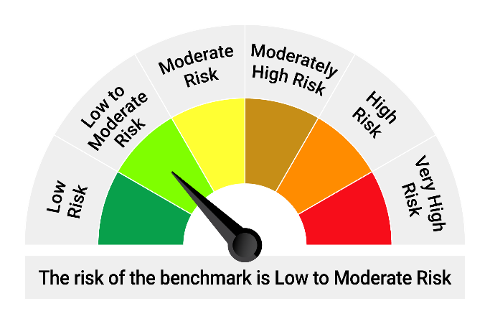

*Investors should consult their financial advisers if in doubt about whether the product is suitable for them.
Mutual fund investments are subject to market risks, read all scheme related documents carefully.

“Please note that the above risk-o-meter is as per the product labelling of the scheme available as on the date of this communication/ disclosure. As per SEBI circular dated October 05, 2020 on product labelling (as amended from time to time), risk-o-meter will be calculated on a monthly basis based on the risk value of the scheme portfolio based on the methodology specified by SEBI in the above stated circular. The AMC shall disclose the risk-o-meter along with portfolio disclosure for all their schemes on their respective website and on AMFI website within 10 days from the close of each month. Any change in risk-o-meter shall be communicated by way of Notice cum Addendum and by way of an e-mail or SMS to unitholders of that particular scheme.”

HOF
HSBC Overnight Fund
Portfolio As On 14-Dec-2025
 |  |  |  |  | Asset Allocation | % to Net Assets
Issuer | Market Value (Rs. In Lakhs) | % to Net Assets | Short Term Rating | Long Term Rating | Treasury Bill | 3.52%
 |  |  |  |  | Cash Equivalents | 96.45%
 |  |  |  |  | Net Current Assets | 0.03%
Money Market Instrument |  |  |  |  | Total Net Assets | 100.00%
Treasury Bill
91 Days Treasury Bill 18-Dec-2025 | 4,997.89 | 1.21% | SOVEREIGN | SOVEREIGN
91 Days Treasury Bill 08-Jan-2026 | 4,982.96 | 1.21% | SOVEREIGN | SOVEREIGN
364 Days Treasury Bill 26-Dec-2025 | 4,492.96 | 1.09% | SOVEREIGN | SOVEREIGN
 | 14,473.81 | 3.52%
Cash Equivalent
TREPS |  |  |  |  | Rating Category |  | % to Net Assets
TREPS | 138,634.29 | 33.68% |  |  | SOVEREIGN |  | 3.52%
 | 138,634.29 | 33.68% |  |  | Reverse Repos/TREPS |  | 96.45%
Reverse Repos |  |  |  |  | Net Current Assets |  | 0.03%
Reverse Repos | 257,389.69 | 62.77% |  |  | Total Net Assets |  | 100.00%
 | 257,389.69 | 62.77%
Net Current Assets: | 1,066.80 | 0.03%
Total Net Assets as on 14-Dec-2025 | 411,564.59 | 100.00%

Market Value Includes Accrued Interest
This product is suitable for investors who are seeking*:
Income over target maturity period
Investment in constituents similar to the composition of CRISIL IBX 50:50 Gilt Plus SDL Index – April 2028
*Investors should consult their financial advisers if in doubt about whether the product is suitable for them.
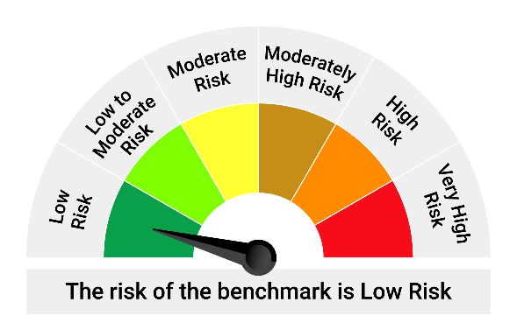
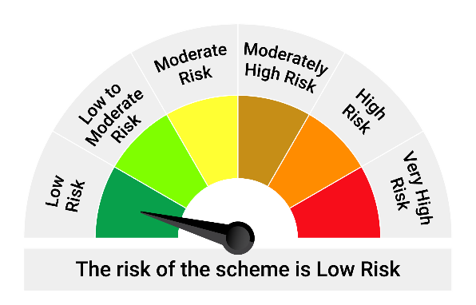
Mutual fund investments are subject to market risks, read all scheme related documents carefully.

*Investors should consult their financial advisers if in doubt about whether the product is suitable for them.

Mutual fund investments are subject to market risks, read all scheme related documents carefully.

“Please note that the above risk-o-meter is as per the product labelling of the scheme available as on the date of this communication/ disclosure. As per SEBI circular dated October 05, 2020 on product labelling (as amended from time to time), risk-o-meter will be calculated on a monthly basis based on the risk value of the scheme portfolio based on the methodology specified by SEBI in the above stated circular. The AMC shall disclose the risk-o-meter along with portfolio disclosure for all their schemes on their respective website and on AMFI website within 10 days from the close of each month. Any change in risk-o-meter shall be communicated by way of Notice cum Addendum and by way of an e-mail or SMS to unitholders of that particular scheme.”

HBPSF
HSBC Banking and PSU Debt Fund
Portfolio As On 12-Dec-2025
 |  |  |  |  | Asset Allocation | % to Net Assets
Issuer | Market Value (Rs. In Lakhs) | % to Net Assets | Short Term Rating | Long Term Rating | Corporate/ PSU Debt | 77.75%
 |  |  |  |  | Government Securities | 11.98%
 |  |  |  |  | Money Market Instruments | 5.22%
Corporate/ PSU Debt |  |  |  |  | Securitised Debt | 2.94%
Corporate Bonds / Debentures |  |  |  |  | AIF | 0.31%
NABARD | 39,989.79 | 9.17% | CRISIL AAA / ICRA AAA | CRISIL AAA / ICRA AAA | Cash Equivalents | 1.84%
Power Finance Corporation Limited | 38,034.13 | 8.72% | CRISIL AAA | CRISIL AAA | Net Current Assets | -0.04%
SIDBI | 35,762.57 | 8.20% | CARE AAA / CRISIL AAA | CARE AAA / CRISIL AAA | Total Net Assets | 100.00%
Indian Railway Finance Corporation Ltd | 33,644.84 | 7.71% | CRISIL AAA | CRISIL AAA
EXIM Bank | 31,191.67 | 7.15% | CRISIL AAA | CRISIL AAA
REC Limited | 29,138.73 | 6.68% | CRISIL AAA / ICRA AAA | CRISIL AAA / ICRA AAA
Indian Oil Corporation Limited | 22,290.10 | 5.11% | CRISIL AAA | CRISIL AAA
...
 | 8,021.31 | 1.84%
Net Current Assets: | -164.50 | -0.04%
Total Net Assets as on 12-Dec-2025 | 436,300.09 | 100.00%

Market Value Includes Accrued Interest
This product is suitable for investors who are seeking*:
Income over target maturity period
Investment in constituents similar to the composition of CRISIL IBX 50:50 Gilt Plus SDL Index – April 2028
*Investors should consult their financial advisers if in doubt about whether the product is suitable for them.
Mutual fund investments are subject to market risks, read all scheme related documents carefully.
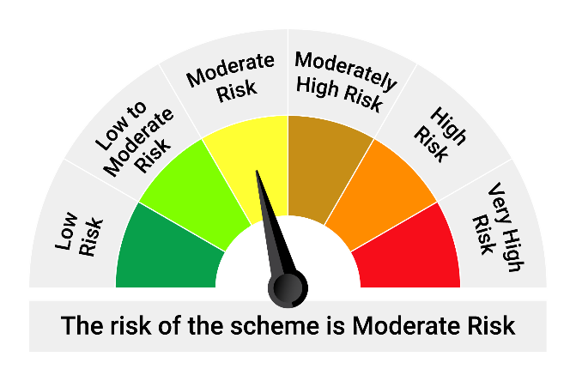

*Investors should consult their financial advisers if in doubt about whether the product is suitable for them.

Mutual fund investments are subject to market risks, read all scheme related documents carefully.

“Please note that the above risk-o-meter is as per the product labelling of the scheme available as on the date of this communication/ disclosure. As per SEBI circular dated October 05, 2020 on product labelling (as amended from time to time), risk-o-meter will be calculated on a monthly basis based on the risk value of the scheme portfolio based on the methodology specified by SEBI in the above stated circular. The AMC shall disclose the risk-o-meter along with portfolio disclosure for all their schemes on their respective website and on AMFI website within 10 days from the close of each month. Any change in risk-o-meter shall be communicated by way of Notice cum Addendum and by way of an e-mail or SMS to unitholders of that particular scheme.”

HCBF
...
HSBC Corporate Bond Fund
 | 3,691.08 | 0.59%
Net Current Assets: | -195.29 | -0.03%
Total Net Assets as on 12-Dec-2025 | 625,769.69 | 100.00%

Market Value Includes Accrued Interest
This product is suitable for investors who are seeking*:
Income over target maturity period
Investment in constituents similar to the composition of CRISIL IBX 50:50 Gilt Plus SDL Index – April 2028
*Investors should consult their financial advisers if in doubt about whether the product is suitable for them.
Mutual fund investments are subject to market risks, read all scheme related documents carefully.
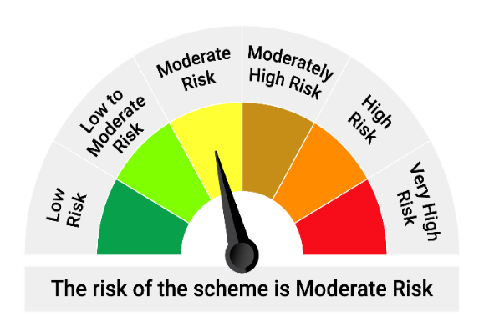
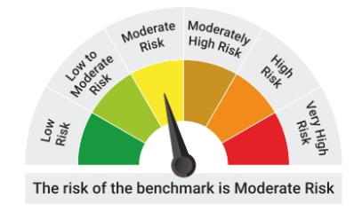

*Investors should consult their financial advisers if in doubt about whether the product is suitable for them.

Mutual fund investments are subject to market risks, read all scheme related documents carefully.

“Please note that the above risk-o-meter is as per the product labelling of the scheme available as on the date of this communication/ disclosure. As per SEBI circular dated October 05, 2020 on product labelling (as amended from time to time), risk-o-meter will be calculated on a monthly basis based on the risk value of the scheme portfolio based on the methodology specified by SEBI in the above stated circular. The AMC shall disclose the risk-o-meter along with portfolio disclosure for all their schemes on their respective website and on AMFI website within 10 days from the close of each month. Any change in risk-o-meter shall be communicated by way of Notice cum Addendum and by way of an e-mail or SMS to unitholders of that particular scheme.”

